Architecture diagrams
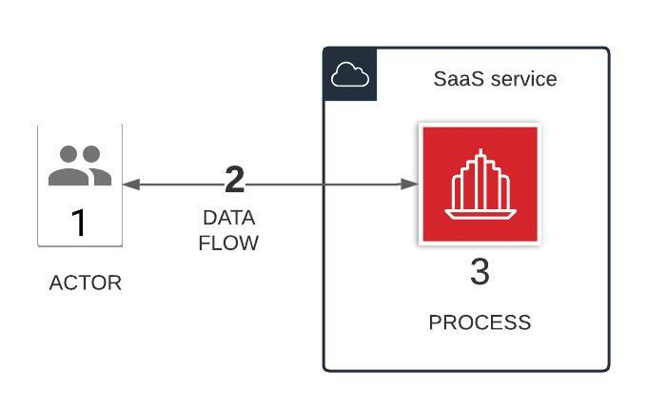
Sample Architecture Diagrams
Architecture diagram 1: Two tier web application



Architecture diagram 2: SaaS application

